Notes
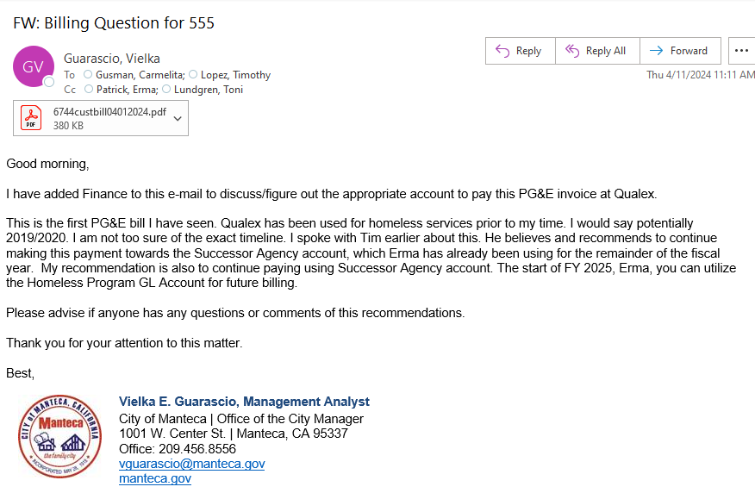
Date | Employee name | Description of change (usually for addition or termination of services or change of meter number)

